Sheet1
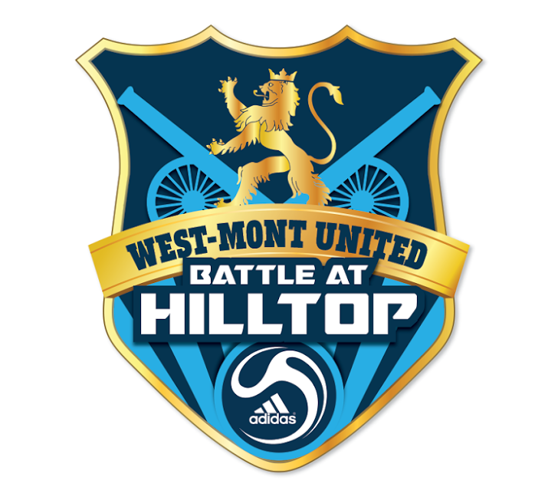
BATTLE AT HILLTOP 2019
T-SHIRT TEAM ORDER FORM
*** Please Order For Entire Team On This Form ***
(Limited quantities available at tournament)

1. PLEASE TYPE order below.
2. Shirt is a NAVY ADIDAS T-Shirt with tournament logo on the front.
3. *** PRE-ORDER OPTION ONLY: NAME/# ON BACK OF SHIRT: Additional $7.00 per shirt |  |  |  |  |  |  |  |  | NAME
The name/# option WILL NOT BE AVAILABLE AT THE TOURNAMENT. |  |  |  |  |  |  |  |  | 10
4. Email Order Forms to: | marketing@westmontunitedsoccer.org
DEADLINE TO EMAIL PRE-ORDER WITH NAME/NUMBER COMBOS ON SHIRTS: July 26, 2019
Orders WITH name/number combos WILL NOT be accepted after July 26.
A limited number of t-shirts will be available for purchase at the tounament without name and number.
5. Mail Copy of Order Form & Check to:
 | Battle At Hilltop, c/o Chris Sites , 143 Knoll Drive, Collegeville, PA 19426
 | Include ONE CHECK payable to WEST-MONT UNITED.
PAYMENT MUST BE RECEIVED BY: August 2, 2019
5. T-shirts will be ready for pick up at tournamnet headquarters.

Club/Team Name:
Birth Year/Age Group: |  |  |  |  | Gender: | Boys |  | Girls
Coach's Name:
Contact Person:
Cell Phone:
E-Mail Address:

PLEASE TYPE
PRE-ORDER PRICES | $18.00 |  |  |  |  |  |  | $7.00
PLAYER'S NAME-One Order Per Line | YM | YL | YXL | AS | AM | AL | AXL | NAME ON BACK | JERSEY # | TOTAL COST PER PLAYER
DOE, JOHN * sample only * |  |  | 1 |  |  |  |  | DOE | 5 | $25.00
 |  |  |  |  |  |  |  |  |  | $0.00
 |  |  |  |  |  |  |  |  |  | $0.00
 |  |  |  |  |  |  |  |  |  | $0.00
 |  |  |  |  |  |  |  |  |  | $0.00
 |  |  |  |  |  |  |  |  |  | $0.00
 |  |  |  |  |  |  |  |  |  | $0.00
 |  |  |  |  |  |  |  |  |  | $0.00
 |  |  |  |  |  |  |  |  |  | $0.00
 |  |  |  |  |  |  |  |  |  | $0.00
 |  |  |  |  |  |  |  |  |  | $0.00
 |  |  |  |  |  |  |  |  |  | $0.00
 |  |  |  |  |  |  |  |  |  | $0.00
 |  |  |  |  |  |  |  |  |  | $0.00
 |  |  |  |  |  |  |  |  |  | $0.00
 |  |  |  |  |  |  |  |  |  | $0.00
 |  |  |  |  |  |  |  |  |  | $0.00
 |  |  |  |  |  |  |  |  |  | $0.00
 |  |  |  |  |  |  |  |  |  | $0.00
 |  |  |  |  |  |  |  |  |  | $0.00
 |  |  |  |  |  |  |  |  |  | $0.00
TEAM TOTALS | YM | YL | YXL | AS | AM | AL | AXL | NAME/# COMBOS |  | TOTAL TEAM COST
Total Counts | 0 | 0 | 0 | 0 | 0 | 0 | 0 | 0 |  | 0
Total Cost | 0.00 | 0.00 | 0.00 | 0.00 | 0.00 | 0.00 | 0.00 | 0.00 |  | $0.00
For Official Use Only:
Check#: Amount: Date Received: x

